Sheet1
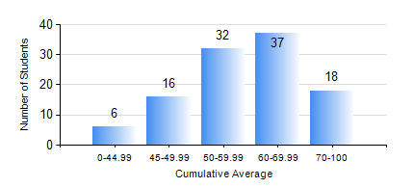
 |  |  | KWAME NKRUMAH UNIVERSITY OF SCIENCE AND TECHNOLOGY, KUMASI Department of Geological Engineering

 |  |  | BSC. GEOLOGICAL ENG.

 |  |  | COMPREHENSIVE RECORD OF EXAMINATION RESULTS

 |  |  | RESULTS OF YEAR 3 FIRST SEMESTER, 2024/2025 ACADEMIC YEAR

 | Sn | Course Code |  | Course Name | Credit Hours | Min. Mark | Max. Mark | Avg. Mark | Std. Dev. | No. Passed | No. Trailed | No. (Df) | No. (I) | No. (I*) | No. Tagged(I,I*,Df) | Total
 | 0. |  |  |  |  |  |  | 0 | 0 | 0 | 0 | 0 | 0 | 0 | 0 | 4
 | 1. | GED 351 |  | PETROLOGY | 3 | 24 | 90 | 58 | 15.98 | 93 | 12 | 0 | 0 | 0 | 0 | 105
 | 2. | GED 357 |  | BASIC HYDROLOGY | 2 | 16 | 85 | 50 | 17.64 | 79 | 26 | 0 | 0 | 0 | 0 | 105
 | 3. | GED 365 |  | GEOLOGICAL FIELD MAPPPING | 3 | 50 | 82 | 65 | 8.39 | 104 | 0 | 1 | 0 | 0 | 1 | 105
 | 4. | GED 369 |  | PHOTOGEOLOGY AND REMOTE SENSING | 3 | 18 | 82 | 60 | 14.08 | 101 | 4 | 0 | 0 | 0 | 0 | 105
 | 5. | GED 375 |  | PRINCIPLES OF ENGINEERING GEOLOGY | 2 | 15 | 96 | 52 | 16.17 | 92 | 13 | 0 | 0 | 0 | 0 | 105
 | 6. | GED 379 |  | SOIL MECHANICS | 3 | 24 | 91 | 55 | 16.89 | 87 | 18 | 0 | 0 | 0 | 0 | 105
 | 7. | MATH 351 |  | NUMERICAL ANALYSIS | 2 | 27 | 85 | 60 | 13.06 | 99 | 6 | 0 | 0 | 0 | 0 | 105
 | 8. | STAT 253 |  | PROBABILITY AND STATISTICS | 2 | 0 | 90 | 62 | 15.95 | 101 | 4 | 0 | 0 | 0 | 0 | 105

